Description
Registered Compositing Planner Scenario
Instructions for use test scenarios
Module Overview

Description:
This test scenario provides the registered compositing planner actor with RO-DC1, MMRO-II-2 and RAD 4.8 and receives RO-DC2 and RO-DC3
- Checks the correct storage of Single Series CT dataset (DICOM association & interaction level)
- Checks the correct storage of Spatial Registration dataset (DICOM association & interaction level)
- Checks the correct storage of General Dose dataset (DICOM association & interaction level)
- Validation of the created Single Plan Dose (RO-DC3) (including RO critical modules)
- Validation of the created Composite Dose (RO-DC2) (including RO critical modules)
- Verifies the critical attribute mapping requirements

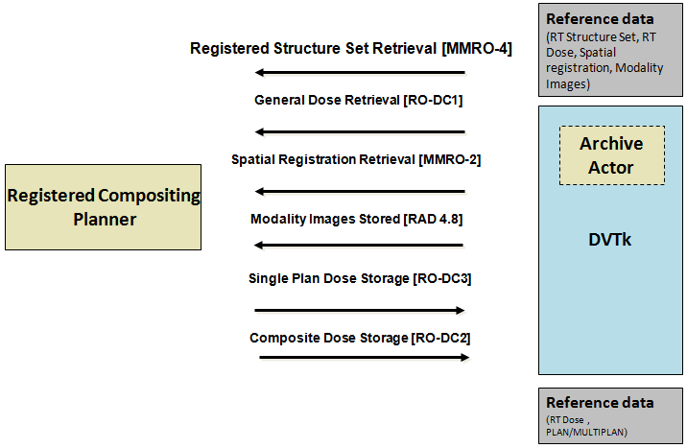

When this scenario starts the following dialog will show up.
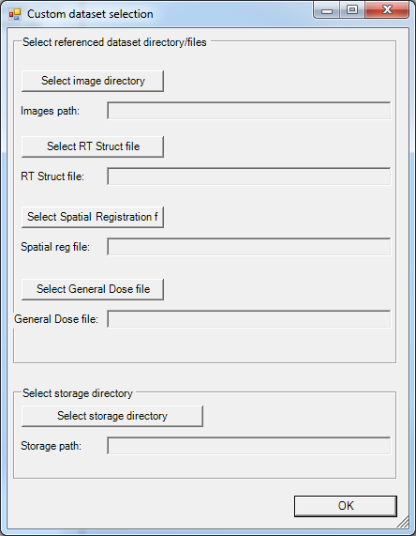

Select the directory where the images are located and where the storage files need to be placed, for the other IOD's a file needs to be selected.

Transactions sent to actor:
MMRO 4 (Registered Structure Set Retrieval)
RO-DC1 (General Dose Retrieval)
MMRO 2 (Spatial Registration Retrieval)
RAD-4.8 (Modality Images Stored)

Expected transactions from actor:
RO-DC3 (Single Plan Dose Storage)
RO-DC2 (Composite Dose Storge)

Used scenario dataset:
This scenario uses the selected test dataset.

